Sheet1

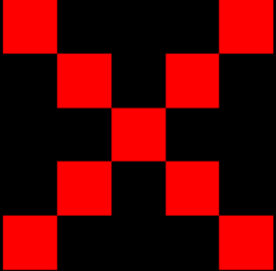
 | 0 | 1 | 2 | 3 | 4 | 5 | 6 |  | 0 | 1 | 2 | 3 | 4 | 5 | 6
0 | x | x | x | R | x | x | x | 0 | x | x | x | x | x | x | x | x | Black
1 | x | x | x | R | x | x | x | 1 | x | R | x | x | x | R | x | B | Blue
2 | x | x | x | R | x | x | x | 2 | x | x | R | x | R | x | x | O | Orange
3 | R | R | R | R | R | R | R | 3 | x | x | x | R | x | x | x | W | White
4 | x | x | x | R | x | x | x | 4 | x | x | R | x | R | x | x | P | Pink
5 | x | x | x | R | x | x | x | 5 | x | R | x | x | x | R | x | R | Red
6 | x | x | x | R | x | x | x | 6 | x | x | x | x | x | x | x | g | Grey
 |  |  |  |  |  |  |  |  |  |  |  |  |  |  |  | Y | Yellow
 |  | enforcerbullet1 |  |  |  |  |  |  |  | enforcerbullet2 |  |  |  |  |  | V | Violet (Purple)
 |  | enforcerbullet3 |  |  |  |  |  |  |  | enforcerbullet4 |  |  |  |  |  | G | Green

